Sheet1
Outputs quick switching 12V signal.
Takes infared and button input.
Smaller than breadboard solution
Simpler than breadboard solution
Accurate Time keeping
ATtiny402

Surface mount components
Fewest number of input/output wires
ATtiny202 seems to keep time poorly, as seen on Therm-A0
5 Digital I/O pins, just enough:
RST_Pin
Hr_Pin
Min_Pin
LED_Pin
IR_Pin
Is there enough memory?
we used a TIP29 transistor
IR Emitter: 475-2648-ND
IR Sensor: 475-1080-ND

Speed is a concern
Screw in terminals (phoenix connectors?)
Just barely? Sketch looks like it'll take up 96%
This has more memory than the ATtiny202 though
Also listed in OneNote
LM2596 SMD
ULN2003A
ULN2803A
2N7000 MOSFET
TIP120
TIP122
Those are the digikey part numbers
It keeps time much better if proper frequency is used. See Therm-A1

Disc spins at 7200 rpm/ 120 rps

IR Emitter: LD 271 LH
IR Sensor: SFH 313FA

At min, signals need to change at 120 Hz
I estimate LED's draw 2W of power. At 12 V this is 166 mA
IR Emitter: LD 271 LH
IR Sensor: SFH 313FA

Though our code has the disc completing a rotation every 7920 us

Gallagher and I measured their draw at 120 mA => 1.44 W
Forward Current:
130 mA max, 70 nominal?
Absolute max sustained collector current: 50 mA

Quickest switching/ reading by code: 132 us
(7920 / 60)

This was at 100% duty cycle though. They will be on for much less time. Therefore, this is a good maximum power dissipation
Forward Voltage:
1.3 V nominal?

Switching speed: 7.6 kHz min
In current design we use 220 Ohms, with 3.95 V dropped across
5-1.3 = 3.7 V dropped across series resistor at 70 mA

MJD122 (SMD alternative to TIP120)

3.95 V on 220 Ohms:
18 mA, 0.0711 W
3.7 V @ 70 mA:
52.9 Ohms, 0.259 W

Within power rating of 0603 resistor (1/10 W)
Exceeds power rating of 0603 resistor

Thermal Calculations
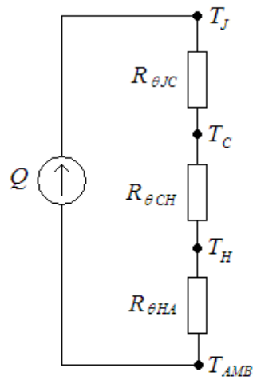
MJD-122 Specifications (when used without heat sink): |  |  |  | Conceptual Model:
Rating | Symbol | Value | Unit
Maximum Total Power Dissipation | PD | 1.75 | W
Maximum Operating Temperature | TJ | 150 | °C
Thermal Resistance, Junction to Ambient | RθJA | 71.4 | °C/W
Expected Operating Conditions
Maximum current supplied by device | IEXP | 120 | mA
Maximum collector-emmitter voltage | VEXP | 0.7 | V
Maximum power dissipated by device | PEXP | 0.084 | W
Maximum Ambient Temperature | TA,EXP | 30 | °C
Expected Junction Temperature | TJ,EXP | 35.9976 | °C
RθJA × PEXP + TA,EXP = TJ,EXP

Button
Can't believe I'm researching this

MSLPT5252BG2MTR
MSLPT5252CG2WTR
LL3301NF065QG

Too slim?
Seems good
Too thick?

5V Power
Absolute Max Current: 200 mA

ATtiny0402
Compromise/ Derate: 40 mA
40 mA

Max Recommended at 20 MHz and programming: 12 mA

ADP3300
(expensive)

IR Emitter: LD 271 LH
Forward Current:
130 mA
12 V from off board, 7 V across linear regulator.
7*0.2 = 1.4 W dissipated by regulator
Cheapest solution is just to use another terminal block to get the 5V already available
~200 mA @ 5V
LD1117 => thermal problems

IR Sensor: SFH 313FA
In series with 2K resistor
5V/2Kohms = 2.5 mA
(abs max = 50 mA)
MCP1825S
(Vin = 6 V max)

Buttons
In series with 2K resistor
5V/2Kohms = 2.5 mA

Programming
ATtiny402 uses UPDI for programming

Programmer: Atmel ICE
Programmer: Arduino UNO using jtag2updi

Expensive
IDE: Arduino using megaTinyCore
Also needs tiny-mega-i2c

However, I may want to use this in the future, so usually I'd use compatibale header

In this case though, power and gnd are broken out by terminal blocks. This time going to try single header

